K8s
K8s

Topic | Subtopic | Descriptions | Technicals | Reference / Notes / Results
 |  | Udemy >> GCP Data Engineer and Cloud Architect |  | https://www.udemy.com/course/gcp-data-engineer-and-cloud-architect/learn/lecture/7599964#overview
 |  |  | $ alias kt='kubectl'
Create GKE Cluster
 |  | Create K8s Cluster: anodiam-practice-cluster | CLI $>> gcloud beta container --project "anodiamapp" clusters create "anodiam-practice-cluster" --zone "us-central1-c" --no-enable-basic-auth --cluster-version "1.16.13-gke.401" --machine-type "e2-medium" --image-type "COS" --disk-type "pd-standard" --disk-size "100" --metadata disable-legacy-endpoints=true --scopes "https://www.googleapis.com/auth/devstorage.read_only","https://www.googleapis.com/auth/logging.write","https://www.googleapis.com/auth/monitoring","https://www.googleapis.com/auth/servicecontrol","https://www.googleapis.com/auth/service.management.readonly","https://www.googleapis.com/auth/trace.append" --num-nodes "3" --enable-stackdriver-kubernetes --enable-ip-alias --network "projects/anodiamapp/global/networks/default" --subnetwork "projects/anodiamapp/regions/us-central1/subnetworks/default" --default-max-pods-per-node "110" --no-enable-master-authorized-networks --addons HorizontalPodAutoscaling,HttpLoadBalancing --enable-autoupgrade --enable-autorepair --max-surge-upgrade 1 --max-unavailable-upgrade 0
 |  | Connect to cluster from cloud shell | $ gcloud container clusters get-credentials anodiam-practice-cluster --zone us-central1-c --project anodiamapp
 |  | clone git repo into cloud shell | $ git clone https://github.com/anodiamadm/infra-practice.git
 |  | test a kubectl command | $ kubectl get pods
Pods |  | pod-definition file found in infra-practice/k8s/pod-definition.yml file
 |  | Create Pods | $ kubectl create -f pod-definition.yml $ kubectl apply -f pod-definition.yml
 |  |  | $ kubectl get pods $ kubectl describe pod myapp-pod
 |  | notice the environment variables passed to postgress container in infra-practice/k8s/postgress-pod-def.yml | $ kubectl create -f postgress-pod-def.yml
 |  | Create nginx pod | $ kubectl run nginx --image=nginx
 |  | Get image name from pod description | $ kubectl describe pod myapp-pod | grep -I image
 |  |  | $ kubectl get pods -o wide
 |  | Note: Multiple containers from multiple images (e.g. webapp and database) can be part of a Pod. That sort of a pod (called side-car) is created by adding all the containers in the Pod def file's spec: containers: section
 |  | Delete Pod | $ kubectl delete pod webapp
 |  | dry run a pod and create pod definition file | $ kubectl run redis --image=redis --dry-run=client -o yaml > pod.yaml
 |  |  | $ vi pod.yaml
 |  |  | $ kubectl apply -f pod.yaml
 |  |  | $ kubectl edit pod redis
Replication Controllers & Replica Sets |  |  |  | Replica Sets are lates technology. Replication Controllers are old
 |  | Definition file: infra-practice/k8s/003rep-controller-def.yml | $ kubectl create -f 003rep-controller-def.yml
 |  |  | $ kubectl get replicationcontroller
 |  |  | $ kubectl get pods
 |  | ReplicaSet requires selector: matchLabels field Can manage pods defined before the replica set creation | $ kubectl create -f 004replica-set-def.yml
 |  | Definition file: infra-practice/k8s/004replica-set-def.yml | $ kubectl get replicaset
 |  | In case replicaset definition file was updated, replace command will update the new specifications, say # of pods from 3 to 5 etc. | $ kubectl replace -f 004replica-set-def.yml
 |  |  | $ kubectl delete replicationcontroller myapp-rc
 |  |  | $ kubectl describe replicaset myapp-replicaset
 |  | Can change definition files by kubectl edit command, though VM opens a system generated definition file, when saved, the original file is also updated | $ kubectl edit replicaset myapp-replicaset
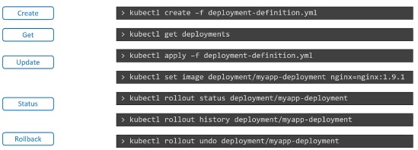
Deployments |  | Deployment creates 1 replica set inside itself | $ kubectl get all
 |  | Definition file: infra-practice/k8s/005deployment-def.yml | $ kubectl create -f 005deployment-def.yml
 |  |  | $ kubectl get deployments
 |  |  | $ kubectl describe deployments.apps myapp-deployment | grep -i image
 |  |  | $ kubectl rollout status deployment myapp-deployment
 |  |  | $ kubectl rollout history deployment myapp-deployment
 |  | Rolling update (no downtime) is the default deployment strategy Update the image version in deployment definition file and redeploy | $ kubectl apply -f 005deployment-def.yml
 |  | To see details of rollouts (Blue greens / Canary / Rolling etc.) | $ kt describe deployment myapp-deployment
 |  | To see which replicaset replaced which one by the deployment: | $ kt get replicasets | NAME DESIRED CURRENT READY AGE myapp-deployment-65cb 0 0 0 13h myapp-deployment-b966 2 2 2 5m47s
 | Rollback | Rollback a deployment: undo a Rollout by the deployment name current replicaset of the deployment is replaced by previous one | $ kt rollout undo deployment/myapp-deployment $ kt get replicasets | myapp-deployment-65cb 2 2 2 13h myapp-deployment-b966 0 0 0 6m23s
 |  | kt run (intrinsic) command creates a deployment, not just a pod | $ kt run nginx --image=nginx
 |  | Check Rollout History | $ kt rollout history deployment.apps/myapp-deployment deployment.apps/myapp-deployment | REVISION CHANGE-CAUSE 2 <none> 3 <none>
 |  | To record create command as CHANGE-CAUSE in history command | $ kubectl create -f 005deployment-def.yml --record
Networking, Services (node-port-external, cluster-ip, load-balancer)
 | NodePort
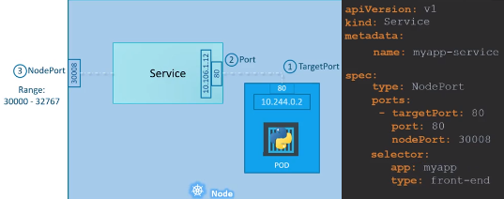
 |  |  | $ kt create -f 006service-def.yml
 |  |  | $ kt get svc
 |  |  | access http://IP.of.anyNode.inCluster:30008 >>> web page displayed | Need to open port 30008 in a firewall rule to the cluster
 |  |  | Port = service port, This is mandatory field
 |  |  | Target port = container port. Its default value it is equal to service port
 |  |  | Node Port can have value from 30000 to 32767. default chosen randomly
 |  |  | Selector to match labels on pod

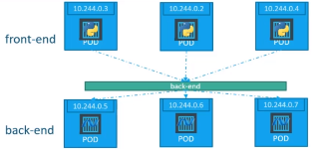
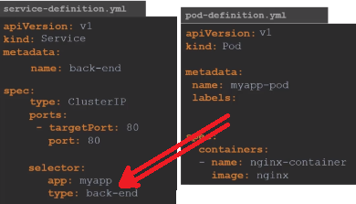
 | Cluster IP
 |  |  | $ kt create -f 007backend-deployment-def.yml
 |  |  | $ kt create -f 008clusterIP-service-def.yml
 |  |  | $ kt get service
 |  |  | $ kt get all
 |  |  | $ kt describe svc back-end-service
 |  |  | End Points, Lavels, Ports etc are found from above command

 | Load Balancer
 |  | Same as Node Port
 |  | Just Type = LoadBalancer
 |  | Only supported by managed cloud environments
 |  | Instead of accessing application by ip of any node load balancer could be used to access the application

